TestSummary
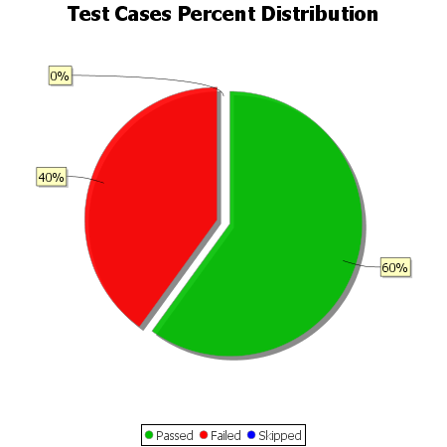
Total Test Cases | 5
Test Cases Passed | 3
Test Cases Failed | 2
Test Cases Skipped | 0

